Sheet1 (2)
Quality Assurance

Suppose that several samples of a manufactured part are measured.
The part is made up of two connected solid cylindrical shafts.
Calculate the volume of each part and the requested summary statistics.
When calculating the standard deviation, assume we have a sample, not a population.
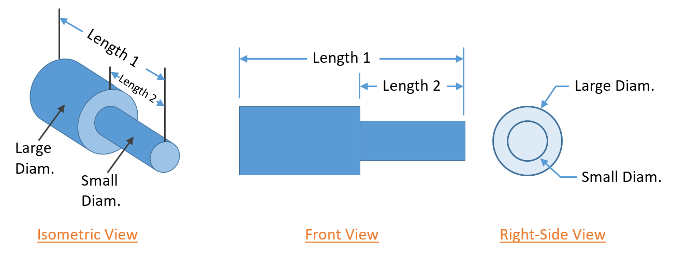

Sample | Length 1 (in) | Length 2 (in) | Large Diam. (in) | Small Diam. (in) | Volume (in3)
A | 10.97 | 3.05 | 1.16 | 0.72 | 9.61
B | 10.59 | 3.27 | 0.97 | 0.47 | 5.98
C | 10.70 | 3.30 | 1.00 | 0.47 | 6.38
D | 10.58 | 3.18 | 1.06 | 0.46 | 7.06
E | 10.55 | 3.23 | 1.05 | 0.50 | 6.97
F | 10.57 | 3.33 | 0.93 | 0.51 | 5.60
G | 10.63 | 3.25 | 1.02 | 0.49 | 6.64
H | 10.45 | 3.27 | 1.11 | 0.46 | 7.49
I | 10.58 | 3.18 | 0.92 | 0.45 | 5.42
J | 10.47 | 3.19 | 0.93 | 0.51 | 5.60
Average | 10.61 | 3.23 | 1.02 | 0.50 | 6.68
Std. Deviation | 0.146 | 0.080 | 0.081 | 0.079 | 1.247
Max | 10.97 | 3.33 | 1.16 | 0.72 | 9.61
Min | 10.45 | 3.05 | 0.92 | 0.45 | 5.42

